1
 | FURUKAWA AUTOMOTIVE SYSTEMS LIMA PHILIPPINES, INC. |  |  |  |  | Zaihai System Work Instructions |  |  |  |  |  | DOCUMENT TYPE: | WORK INSTRUCTION | PAGE NO.: | 1 / 4
 |  |  |  |  |  |  |  |  |  |  |  | DOCUMENT NO.: | REVISION NO.: | EFFECTIVITY DATE:
 |  |  |  |  |  |  |  |  |  |  |  | 1 | 1 | 2026-07-13
CAR MODEL |  | MATERIALS |  |  |  |  |  | DEVICES / EQUIPMENT USED |  |  | REFERENCE
N/A |  | Computer Application |  |  |  |  |  | Computer |  |  | N/A

FORMS |  |  |  |  | PURPOSE |  |  |  | SCOPE
 |  |  |  |  | To provide a work instructions on how to scan applicator on applicator out and in, make checksheets and checking of applicator list and history using Zaihai System |  |  |  | These steps only for users of shop interface who will operate applicator list, out, in, checksheets and history using Zaihai System
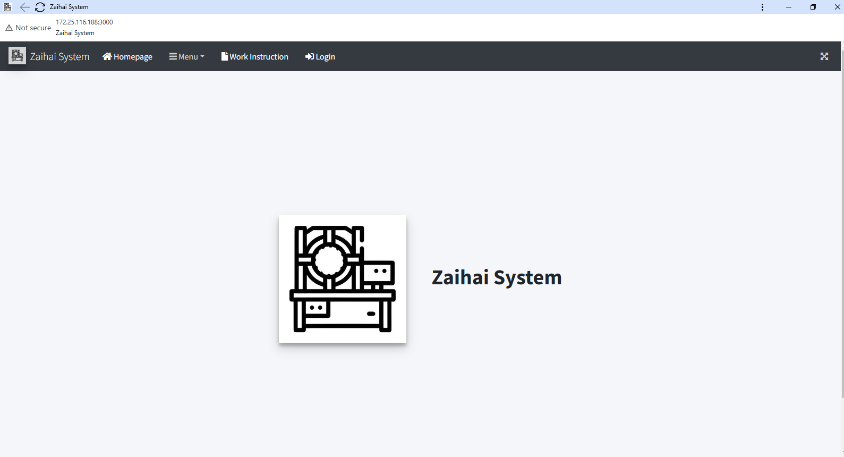

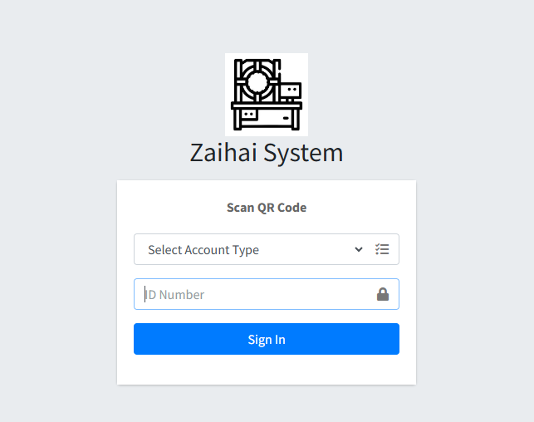
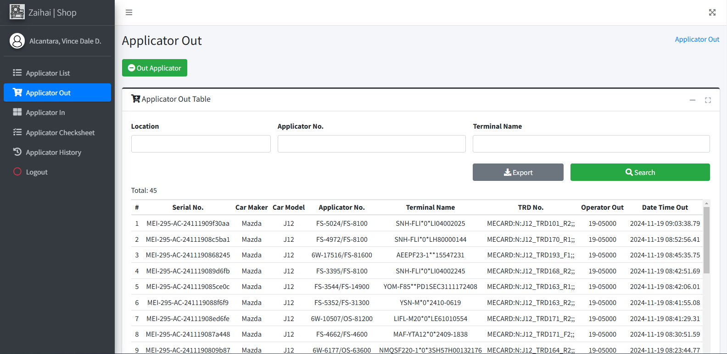

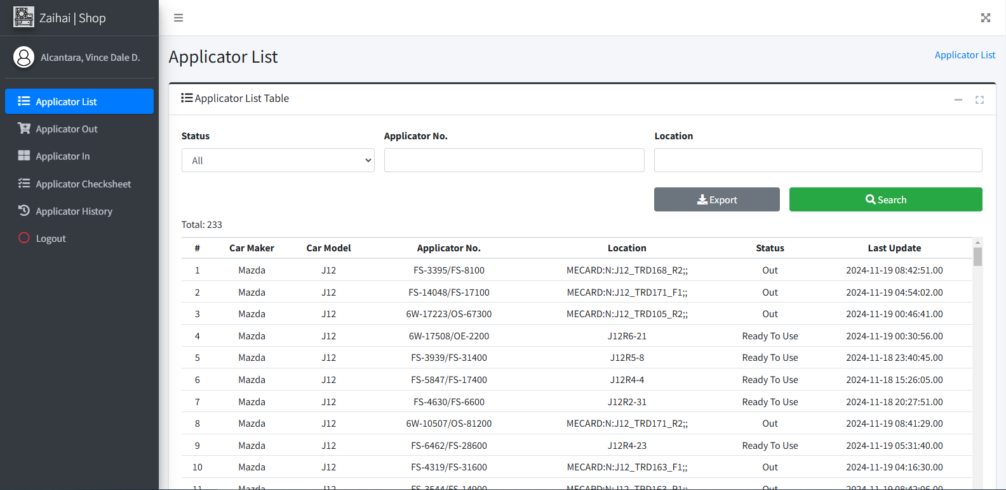
1
Login to Zaihai System - Choose "Shop" from the account type and scan QR Code of PIC (Zaihaiman, Inspector) to access the system.
3
Click Out Applicator Button.
5
Out Applicator
Click login menu item from the navbar.
2
After Login, Applicator List will appear. You may search for applicator status from this page. To out applicator, click Applicator Out from sidebar.
4
The Applicator Out Modal appears. Scan all required inputs IN ORDER until it outputs the result.
6
Get started by going to your desktop or taskbar and look for Zaihai System Logo.
URL : http://172.25.116.188:3000/zaihai/

 |  |  |  |  |  |  |  |  |  | Amazon.com: Ethernet Cable Labels

Shop

Applicator Out
Scan TRD Cart QR Code

Login
Scan Applicator Barcode

Scan Terminal Name Barcode

 |  |  |  |  |  |  |  |  |  |  |  |  |  |  |  | s

Result appears here

0
DR/CN No. |  |  | Revision No. | Effectivity Date |  |  | Details of change
 |  |  | 0 |  |  |  | First Issue
 |  |  | 1 | 13-Jul-26 |  |  | Error list update

2
 | FURUKAWA AUTOMOTIVE SYSTEMS LIMA PHILIPPINES, INC. |  |  |  |  | Zaihai System Work Instructions |  |  |  |  |  | DOCUMENT TYPE: | WORK INSTRUCTION | PAGE NO.: | 2 / 4
 |  |  |  |  |  |  |  |  |  |  |  | DOCUMENT NO.: | REVISION NO.: | EFFECTIVITY DATE:
 |  |  |  |  |  |  |  |  |  |  |  | 1 | 1 | 2026-07-13
CAR MODEL |  | MATERIALS |  |  |  |  |  | DEVICES / EQUIPMENT USED |  |  | REFERENCE
N/A |  | Computer Application |  |  |  |  |  | Computer |  |  | N/A

FORMS |  |  |  |  | PURPOSE |  |  |  | SCOPE
 |  |  |  |  | To provide a work instructions on how to scan applicator on applicator out and in, make checksheets and checking of applicator list and history using Zaihai System |  |  |  | These steps only for users of shop interface who will operate applicator list, out, in, checksheets and history using Zaihai System

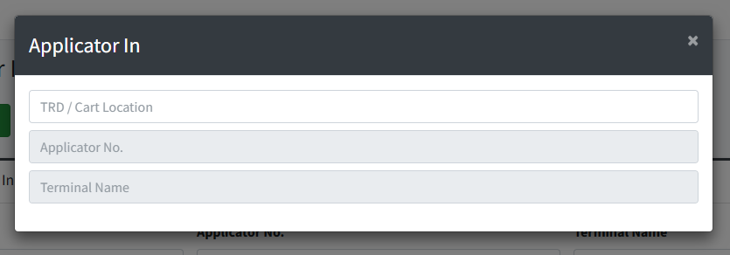
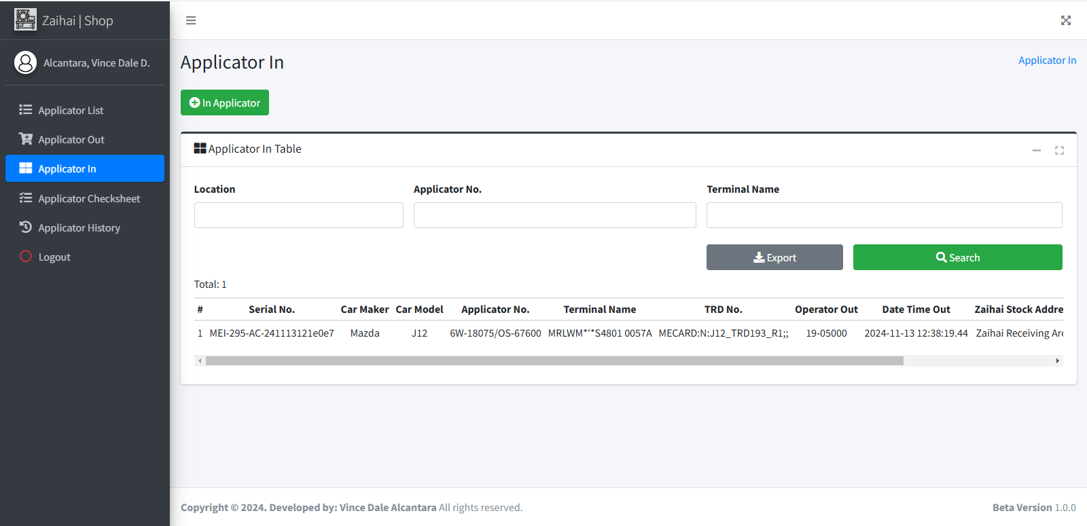
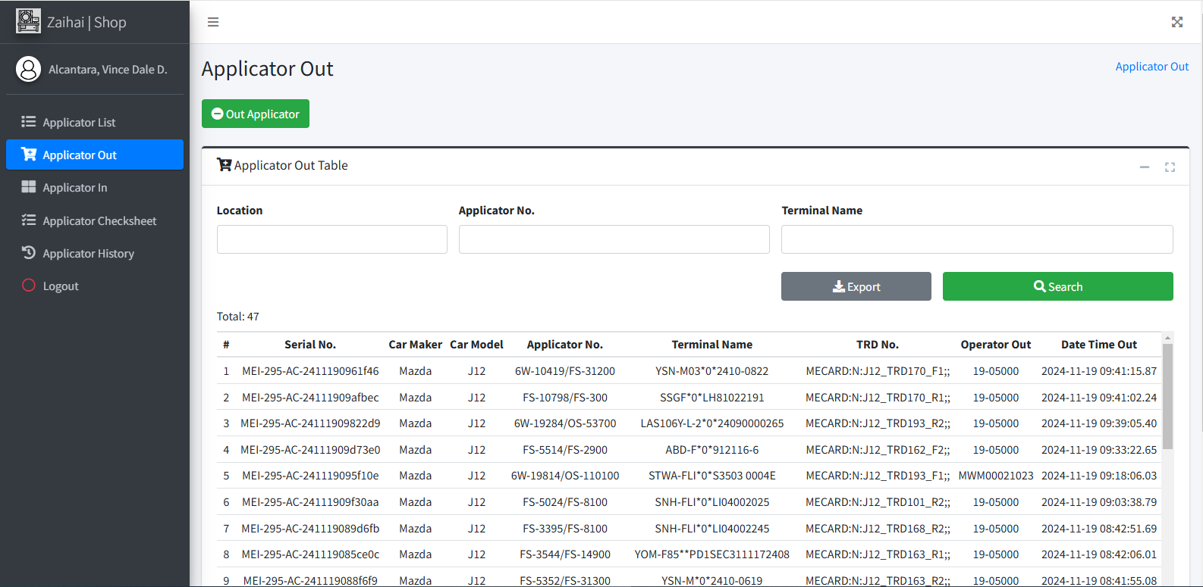
The Applicator In Modal appears. Scan all required inputs IN ORDER until it outputs the result.
9
Click In Applicator Button.
8
You may search for applicator out from this page. If Applicator is returned, click Applicator In from sidebar.
7
You may search for applicator in from this page. If applicator needs to have checksheet, click Applicator Checksheet from sidebar.
10

11

You may search for applicator that needs checksheet on this page. Click the row of a specific applicator from the table to make checksheet.

 |  |  |  |  |  |  |  |  |  | Amazon.com: Ethernet Cable Labels
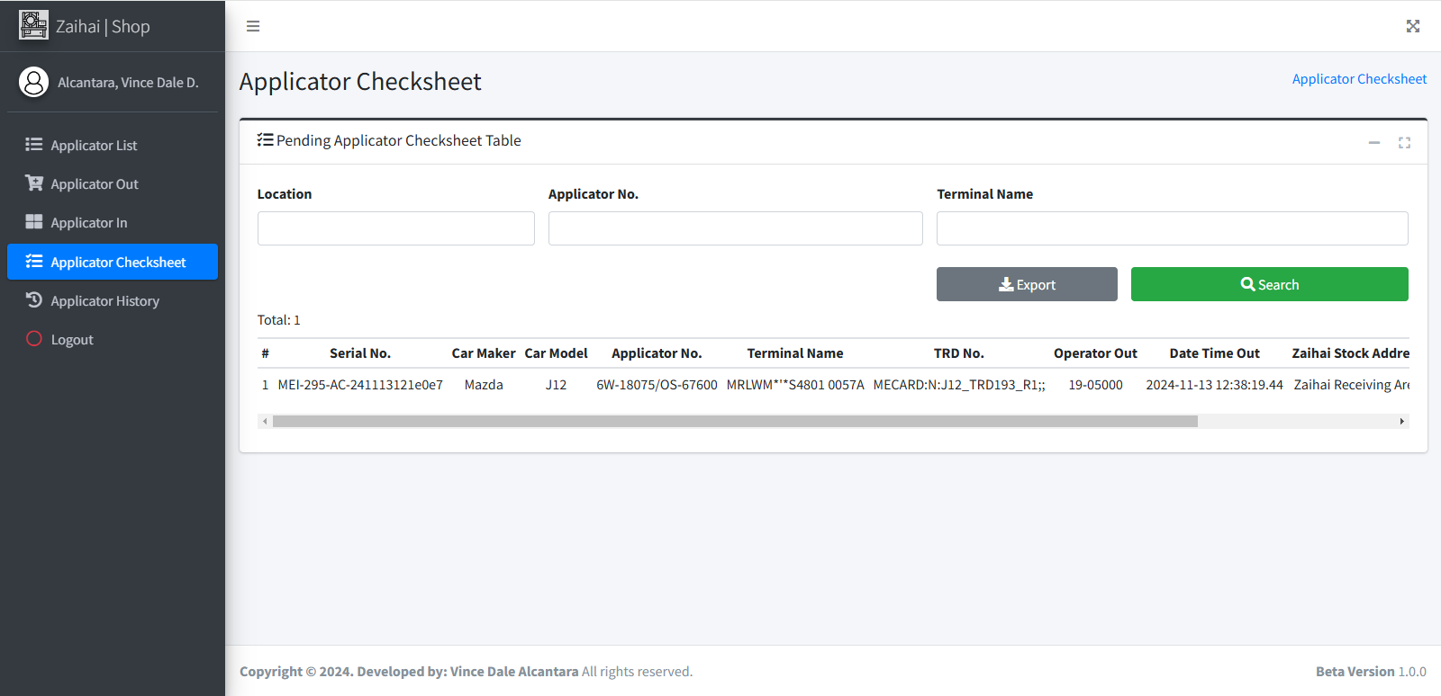

Scan TRD Cart QR Code

Scan Applicator Barcode

Scan Terminal Name Barcode

Click any rows here

Result appears here

12

The Applicator Checksheet Modal appears. Fill out the checksheet and click Make Checksheet Button if finished. Wait until it was successfully saved.

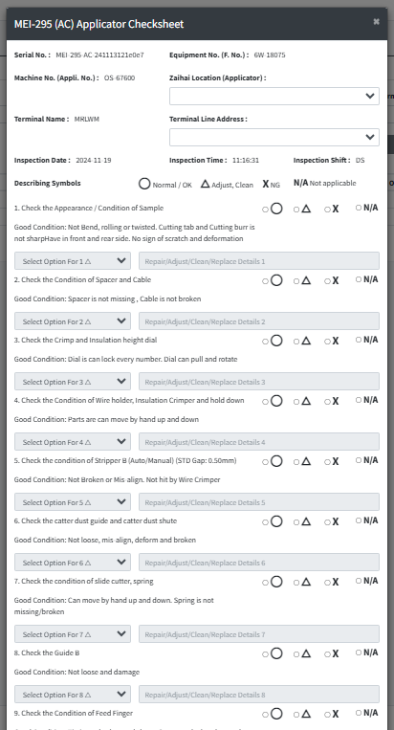
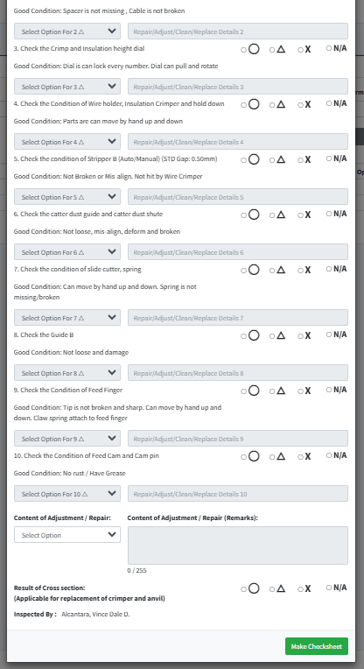

In Applicator
Applicator Checksheet

 |  |  |  |  |  |  |  |  |  |  |  |  |  |  |  | s

Make Chechsheet

0
DR/CN No. |  |  | Revision No. | Effectivity Date |  |  | Details of change
 |  |  | 0 |  |  |  | First Issue
 |  |  | 1 | 13-Jul-26 |  |  | Error list update

3
 | FURUKAWA AUTOMOTIVE SYSTEMS LIMA PHILIPPINES, INC. |  |  |  |  | Zaihai System Work Instructions |  |  |  |  |  | DOCUMENT TYPE: | WORK INSTRUCTION | PAGE NO.: | 3 / 4
 |  |  |  |  |  |  |  |  |  |  |  | DOCUMENT NO.: | REVISION NO.: | EFFECTIVITY DATE:
 |  |  |  |  |  |  |  |  |  |  |  | 1 | 1 | 2026-07-13
CAR MODEL |  | MATERIALS |  |  |  |  |  | DEVICES / EQUIPMENT USED |  |  | REFERENCE
N/A |  | Computer Application |  |  |  |  |  | Computer |  |  | N/A

FORMS |  |  |  |  | PURPOSE |  |  |  | SCOPE
 |  |  |  |  | To provide a work instructions on how to scan applicator on applicator out and in, make checksheets and checking of applicator list and history using Zaihai System |  |  |  | These steps only for users of shop interface who will operate applicator list, out, in, checksheets and history using Zaihai System

From the pending line support acceptance table, Click on the desired row on which employee you will accept or reject during the line support acceptance
13
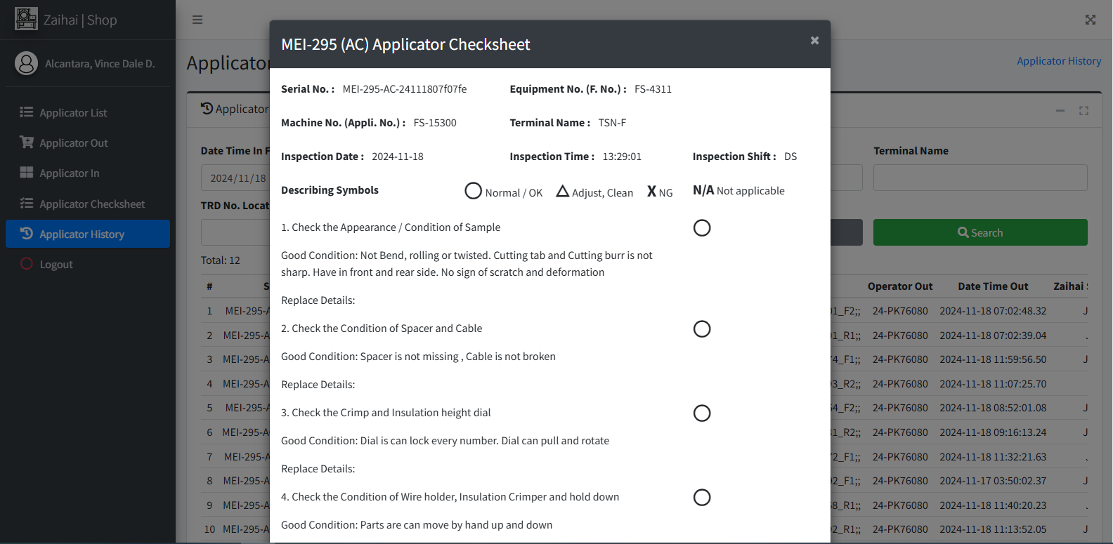
The Applicator Checksheet Modal appears. You may now view checksheet based on the row you clicked.
15

 |  |  |  |  |  |  |  |  |  | Amazon.com: Ethernet Cable Labels

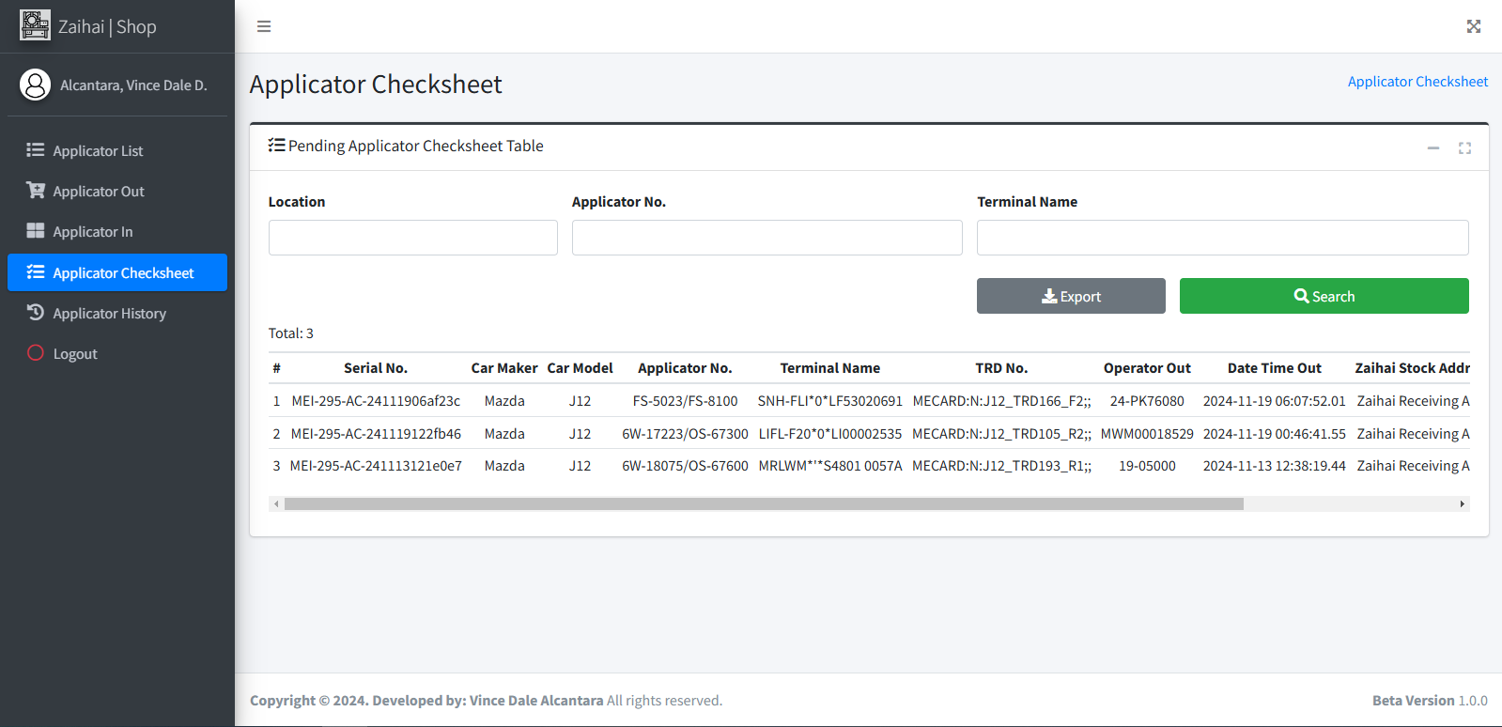

Applicator History

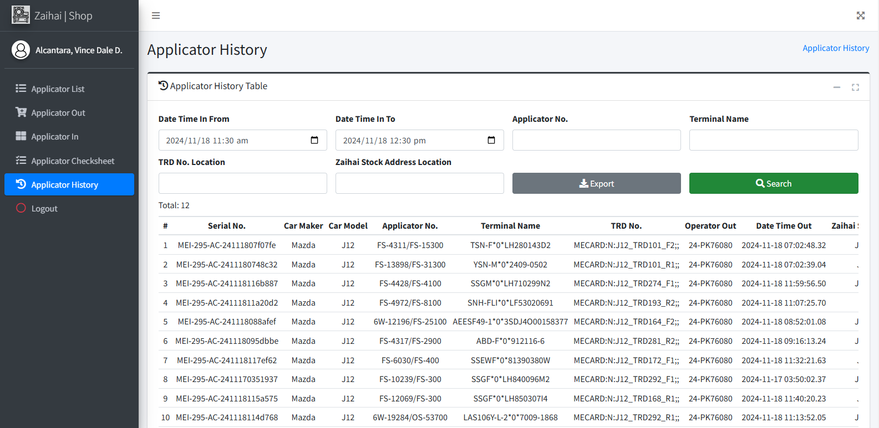
You may search for applicator history based on Applicator In Date Range. Click Search Button for search result. Click the row of a specific applicator from the table to view checksheet.
14

Search

 |  |  |  |  |  |  |  |  |  |  |  |  |  |  |  | s

Click any rows here

0
DR/CN No. |  |  | Revision No. | Effectivity Date |  |  | Details of change
 |  |  | 0 |  |  |  | First Issue
 |  |  | 1 | 13-Jul-26 |  |  | Error list update

4
 | FURUKAWA AUTOMOTIVE SYSTEMS LIMA PHILIPPINES, INC. |  |  |  |  | Zaihai System Work Instructions |  |  |  |  |  | DOCUMENT TYPE: | WORK INSTRUCTION | PAGE NO.: | 4 / 4
 |  |  |  |  |  |  |  |  |  |  |  | DOCUMENT NO.: | REVISION NO.: | EFFECTIVITY DATE:
 |  |  |  |  |  |  |  |  |  |  |  | 1 | 1 | 2026-07-13
CAR MODEL |  | MATERIALS |  |  |  |  |  | DEVICES / EQUIPMENT USED |  |  | REFERENCE
N/A |  | Computer Application |  |  |  |  |  | Computer |  |  | N/A

FORMS |  |  |  |  | PURPOSE |  |  |  | SCOPE
 |  |  |  |  | To provide a work instructions on how to scan applicator on applicator out and in, make checksheets and checking of applicator list and history using Zaihai System |  |  |  | These steps only for users of shop interface who will operate applicator list, out, in, checksheets and history using Zaihai System

Applicator OUT and IN error reference

No error code list of errors
With error code list of errors

Invalid Applicator No. - means applicator no. format is invalid. Accepted applicator no format will be "<applicator unique no>/<applicator no>". Must have this symbol "/" exists.
Error Code: ERR-ZS-ME-1 Unmatched Or Record Not Found On Applicator Terminal - means both Applicator No. and Terminal Name found but not on the same record on Applicator Terminal Masterlist (ME)). Call ME Initial for assistance.

 |  |  |  |  |  |  |  |  |  | Amazon.com: Ethernet Cable Labels

Invalid Terminal Name - means terminal name format is invalid. Accepted terminal name format will be "<terminal name>*<other info 1>*<other info 2>". Must have this symbol "*" exists
Error Code: ERR-ZS-ME-2 Applicator And Terminal Not Found - means both Applicator No. and Terminal are not found on Applicator Terminal Masterlist (ME)). Call ME Initial for assistance.

Error Code: ERR-ZS-ME-3 Applicator Not Found - means Applicator No. not found on Applicator Terminal Masterlist (ME)). Call ME Initial for assistance.
Session was expired. Please Re-Login you account - means account's session was expired so IT advice users to re-login account if this occurs to prevent errors. This appears even on any part of the system. User cannot continue system process until it was re-logged in.

Error Code: ERR-ZS-ME-4 Terminal Not Found - means Terminal Name not found on Applicator Terminal Masterlist (ME). Call ME Initial for assistance.

Applicator Already In Pending / Applicator Still Pending - means applicator is in "pending" status. If checksheet was not made, ongoing repair or maintenance, this also occurs.
Error Code: ERR-ZS-PD-1 Unmatched TRD / Cart Location - means TRD / Cart Location (TRD NO.) scanned from applicator out is not matched to the current scanned TRD / Cart Location QR Code Value. If the original cart was transferred or not used to bring back applicator on zaihai shop, this error will occur. They must know the proper way of borrowing applicator based on process flow.

Applicator Currently Ready To Use - means applicator is in "ready to use" status. Rarely happen on Applicator In for those attempt to in applicator not scanned on applicator out before.

Error Code: ERR-ZS-PD-2 TRD Cart Currently Used - means TRD / Cart Location (TRD NO.) scanned from applicator out or in was currently used by applicator running on machine. If carts were used to get another applicator, this error will occur. They must know the proper way of borrowing applicator based on process flow.

Applicator Already Out - means applicator is in "out" status. Due to rescanning of applicator already out from zaihai shop, this will occur.

Error Code: ERR-ZS-EE-1 Applicator Shot Count Exceeded - means an applicator shot count on specific part was exceeded to the target shot count for maintenance. This will appear on applicator out if maintenance log not created and on applicator in if exceeded value (100k shots) was detected. Zaihai Technician must be aware on this error to follow and apply applicator maintenance. Inform EE Initial for assistance.
Applicator Scanned On Wrong Zaihai Shop! Car Maker: <value> Car Model: <value>
- means applicator scanned on wrong zaihai shop. Either applicator out or in has this error if attempt to scan applicator from other zaihai shop.

Error Code: ERR-ZS-IT-1 Failed. Please Try Again or Call IT Personnel Immediately!: error - means a System Error was occured and need to inform IT for investigating and finding solution to the specific error. If this error appear, inform IT System Group directly. If not available, also inform IT Support Group so that concerns can passed to IT System Group for investigation.

 |  |  |  |  |  |  |  |  |  |  |  |  |  |  |  | s

Please Select Borrowed By or Remarks
- means no selected borrowed by and / or remarks input field leaved blank. Please complete fill out during applicator out or in if borrowed option was selected.

0
DR/CN No. |  |  | Revision No. | Effectivity Date |  |  | Details of change
 |  |  | 0 |  |  |  | First Issue
 |  |  | 1 | 13-Jul-26 |  |  | Error list update

